pivot 2
Top products by unit sold
Row Labels | Count of Product_Name
Bottle | 2
Cup | 24
Glass | 3
Pack | 3
Piece | 6
Plate | 9
Slice | 3
Grand Total | 50

EDA
Back to Summary
KPIs
Total revene
293688.48
 | Total
07 AM | 76
08 AM | 104
09 AM | 94
10 AM | 83
11 AM | 48
12 PM | 34
01 PM | 31
02 PM | 27
03 PM | 18
04 PM | 33
05 PM | 52
06 PM | 65
07 PM | 71
08 PM | 45
09 PM | 19
 | Total
Bottle | 2
Cup | 24
Glass | 3
Pack | 3
Piece | 6
Plate | 9
Slice | 3
Total unit sold
 | Sum of Profit | Sum of Revenue
OUT001 | 17574.58 | 30195.58
OUT002 | 20971.55 | 33881.55
OUT003 | 16078.81 | 26953.81
OUT004 | 20289.34 | 34439.34
OUT005 | 16635.02 | 27636.02
OUT006 | 16472.24 | 27683.24
OUT007 | 18244.66 | 30021.66
OUT008 | 15104.59 | 25460.59
OUT009 | 18065.66 | 30232.66
OUT010 | 16433.03 | 27184.03
44572
total transaction
800
Average customer ratings
3.3870967742
cstomer ratings
 | Total
Gold | 57562.28
Platinum | 55380.73
Silver | 60964.94
Unknown | 56659.4
Walk-in | 63121.13
3.4 /5
 | Total
Card | 337
Cash | 400
Google Pay | 297
GooglePay | 59
GPay | 308
PhonePe | 443
UPI | 723
 | Total
Buy 1 Get 1 Coffee | 22
Christmas Delight | 30
Coffee Lovers Week | 24
Corporate Coffee Break | 14
Festival Treat | 16
Independence Day Offer | 18
Loyalty Rewards | 10
Monsoon Special | 11
Morning Brew Offer | 18
Student Combo | 12
Summer Chillers | 28
Weekend Family Combo | 15
profit margin
65.24
profit margin %
65.2 /100
total profit
175869.48

pivot 3
campaign performance
Row Labels | Sum of Expected_Sales_Increase_%
Buy 1 Get 1 Coffee | 22
Christmas Delight | 30
Coffee Lovers Week | 24
Corporate Coffee Break | 14
Festival Treat | 16
Independence Day Offer | 18
Loyalty Rewards | 10
Monsoon Special | 11
Morning Brew Offer | 18
Student Combo | 12
Summer Chillers | 28
Weekend Family Combo | 15
Grand Total | 218

Summary


BrewBean coffee shop Sales & Business Analytics

PROJECT OBJECTIVE
Analyze sales, product, outlet, inventory, promotion and customer transaction data to identify business performance, customer preferences and opportunities for improvement.
📂 DATA SOURCES -Excel
🏪 Outlet Data
📦 Inventory Data
🥤 Product Data
🎯 Promotion Data
🧾 Sales Transactions
BUSINESS AREAS ANALYZED
• Outlet Performance
• Product Sales Performance
• Customer Behaviour
• Promotion Effectiveness
• Payment Preferences
• Sales Timing & Peak Hours
• Inventory & Operational Performance

summary

EDA

Dashboard

ANALYTICS APPROACH
Data Collection → Data Cleaning → KPI Analysis → Pivot Analysis → Interactive Dashboard → Business Insights → Recommendations

pivot
revenue & profit by outlet
Row Labels | Sum of Profit | Sum of Revenue
OUT001 | 17574.58 | 30195.58 | hour by sales category
OUT002 | 20971.55 | 33881.55 | Row Labels | Count of Category
OUT003 | 16078.81 | 26953.81 | 07 AM | 76 | revenue by customer segment
OUT004 | 20289.34 | 34439.34 | 08 AM | 104 | Row Labels | Sum of Revenue
OUT005 | 16635.02 | 27636.02 | 09 AM | 94 | Gold | 57562.28
OUT006 | 16472.24 | 27683.24 | 10 AM | 83 | Platinum | 55380.73
OUT007 | 18244.66 | 30021.66 | 11 AM | 48 | Silver | 60964.94
OUT008 | 15104.59 | 25460.59 | 12 PM | 34 | Unknown | 56659.4
OUT009 | 18065.66 | 30232.66 | 01 PM | 31 | Walk-in | 63121.13
OUT010 | 16433.03 | 27184.03 | 02 PM | 27 | Grand Total | 293688.48
Grand Total | 175869.48 | 293688.48 | 03 PM | 18
 |  |  | 04 PM | 33
 |  |  | 05 PM | 52
 |  |  | 06 PM | 65
 |  |  | 07 PM | 71
 |  |  | 08 PM | 45
 |  |  | 09 PM | 19
 |  |  | Grand Total | 800

payment preference by customers
Row Labels | Sum of Customer_Rating
Card | 337
Cash | 400
Google Pay | 297
GooglePay | 59
GPay | 308
PhonePe | 443
UPI | 723
Grand Total | 2567

dashboard


Total revenue
293688.48
Total profit
Profit margin%
175869.48
65.2 /100

Total transaction
Total units sold
Cutomer ratings
800
44572
3.4 /5

Revenue & Profit by Outlet
 | Sum of Profit | Sum of Revenue
OUT001 | 17574.58 | 30195.58
OUT002 | 20971.55 | 33881.55
OUT003 | 16078.81 | 26953.81
OUT004 | 20289.34 | 34439.34
OUT005 | 16635.02 | 27636.02
OUT006 | 16472.24 | 27683.24
OUT007 | 18244.66 | 30021.66
OUT008 | 15104.59 | 25460.59
OUT009 | 18065.66 | 30232.66
OUT010 | 16433.03 | 27184.03
Revenue by customer segment
 | Total
Gold | 57562.28
Platinum | 55380.73
Silver | 60964.94
Unknown | 56659.4
Walk-in | 63121.13

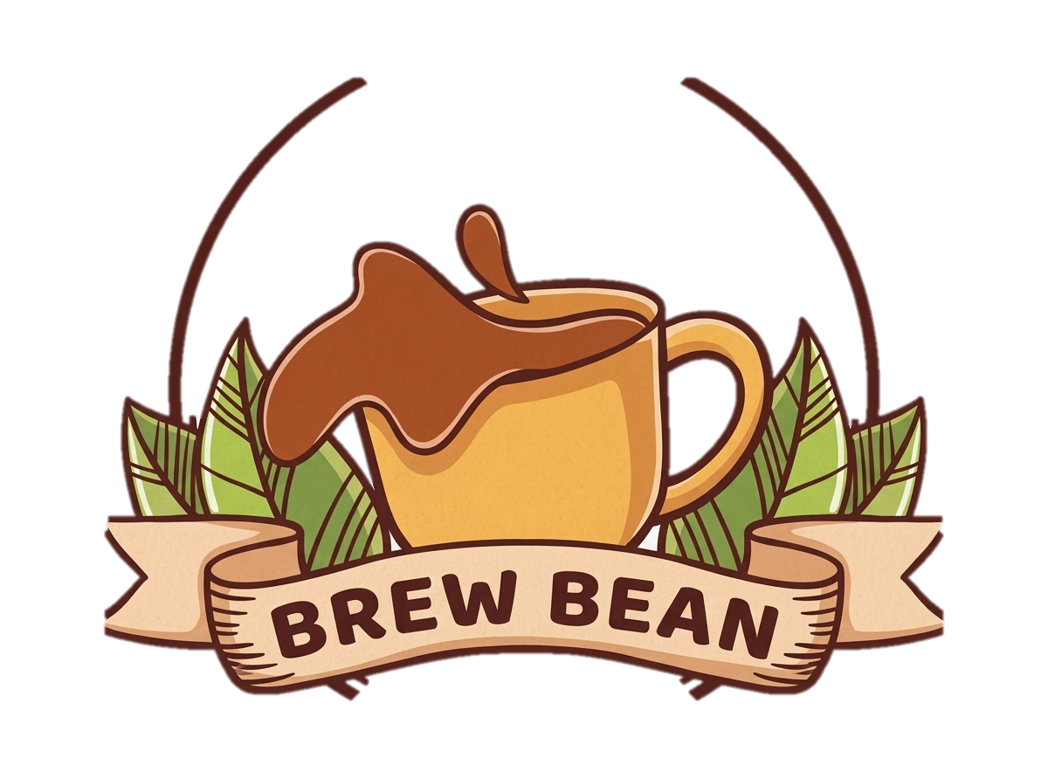

busiest hours by sales
 | Total
07 AM | 76
08 AM | 104
09 AM | 94
10 AM | 83
11 AM | 48
12 PM | 34
01 PM | 31
02 PM | 27
03 PM | 18
04 PM | 33
05 PM | 52
06 PM | 65
07 PM | 71
08 PM | 45
09 PM | 19
payment preference
 | Total
Card | 337
Cash | 400
Google Pay | 297
GooglePay | 59
GPay | 308
PhonePe | 443
UPI | 723

top products by unit sold
 | Total
Bottle | 2
Cup | 24
Glass | 3
Pack | 3
Piece | 6
Plate | 9
Slice | 3
campaign performance
 | Total
Buy 1 Get 1 Coffee | 22
Christmas Delight | 30
Coffee Lovers Week | 24
Corporate Coffee Break | 14
Festival Treat | 16
Independence Day Offer | 18
Loyalty Rewards | 10
Monsoon Special | 11
Morning Brew Offer | 18
Student Combo | 12
Summer Chillers | 28
Weekend Family Combo | 15

